Sheet1
Assignment1 | Display output as follows. Use Inner Join . Display EmployeeID,
 | Employee FirstName and Number Of Orders each employee
 | has placed. Use Table : Employees and Orders.

create your Employees table

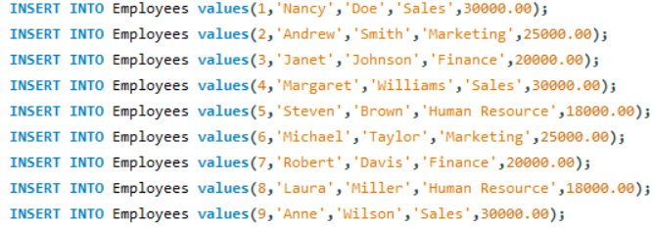
Inserting the values

Display the table

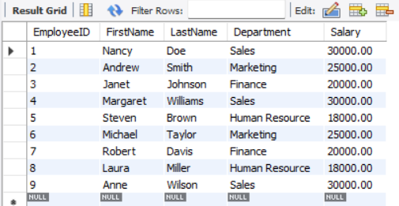

create your Orders table

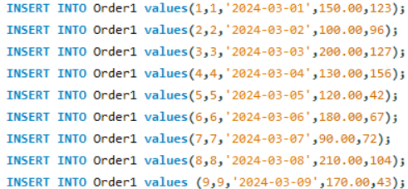
Inserting the table values

Display the table values

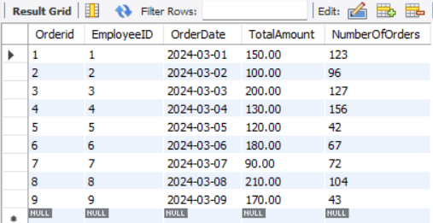

Query

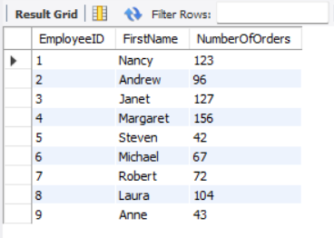
Result

Assignment2 | Get all the Orders shipped by Speedy Express and customers
 | at berlin city.User Table : Orders, Customers, Shippers

Create the Customers table

Inserting the values

Create the Shippers table

Inserting the values

Create the Orders table

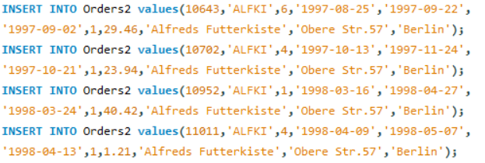
Inserting the values

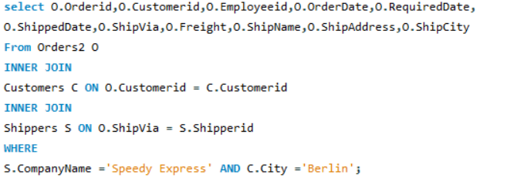
Query

Result

Assignment3 | Get Supplier name and display count of product for which supplier
 | is responsible.Table Use : Products, Supplier
 | Use Left Outer Join

Create Products table

Create Suppliers table

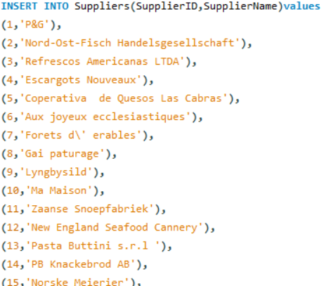
Inserting the values

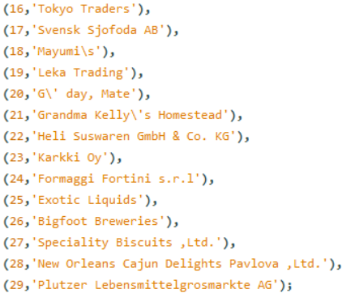

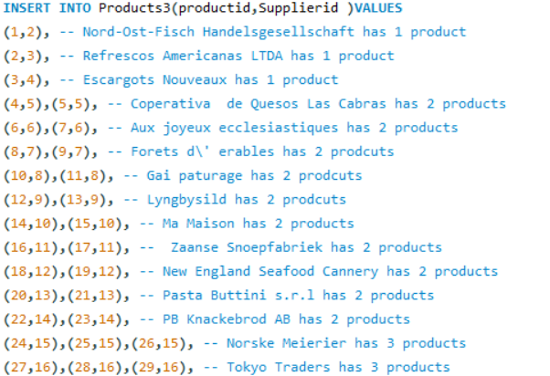
Inserting the values

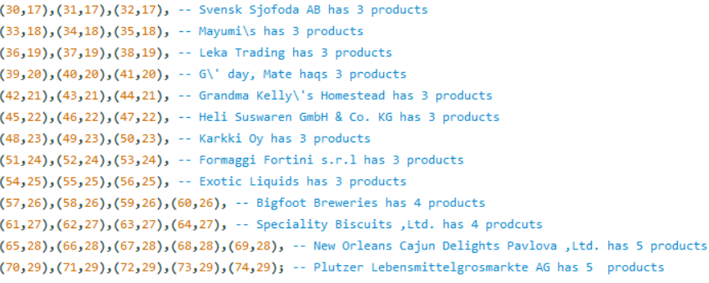

Query

Result
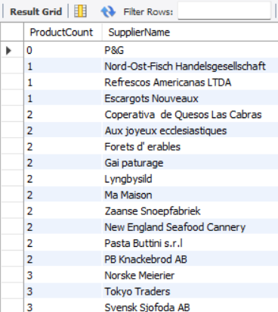

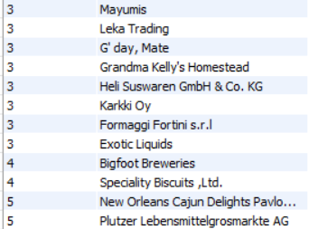

Assignment4 | Retrieve a list of employees and Name of the person that employee
 | is reporting.Use Table : Employees
 | Self Join

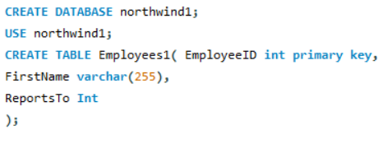
Create Employees table

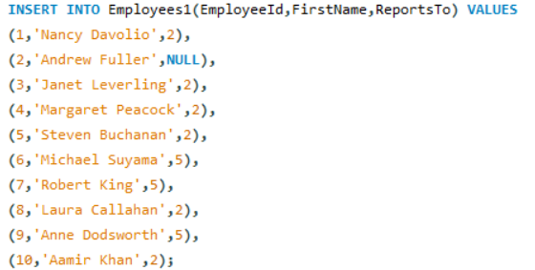
Inserting the values

Query

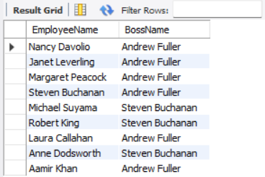
Result

